Offer
IMAGE | GENDER | BRAND | CATEGORY | DESCRIPTION | COMPOSITION | MADE | TYPE | ITEM | SKU | COLOR | SIZE | QTY | QTY REF | BARCODE 1 | BARCODE 2 | HTS CODE
 | WOMEN | TRUSSARDI | PANTS | TROUSERS | 71%AC 29%VI/RY | ITALY | SD10 | SD10TPL10014 | 36P00037 1T000427 | W020/Beige | 38 | 2 | 6 | 8057735490295 | * | 6204.61.10
 | WOMEN | TRUSSARDI | PANTS | TROUSERS | 71%AC 29%VI/RY | ITALY | SD10 | SD10TPL10014 | 36P00037 1T000427 | W020/Beige | 40 | 2 |  | 8057735490301 | * | 6204.61.10
 | WOMEN | TRUSSARDI | PANTS | TROUSERS | 71%AC 29%VI/RY | ITALY | SD10 | SD10TPL10014 | 36P00037 1T000427 | W020/Beige | 42 | 2 |  | 8057735490318 | * | 6204.61.10
 | WOMEN | TRUSSARDI | PANTS | PANTS | NG | ITALY | SD10 | SD10TPL10015 | 36P00038 1T000940 | U280/Blue | 38 | 1 | 10 | 8057735490349 | * | 6204.61.10
 | WOMEN | TRUSSARDI | PANTS | PANTS | NG | ITALY | SD10 | SD10TPL10015 | 36P00038 1T000940 | U280/Blue | 42 | 3 |  | 8057735490356 | * | 6204.61.10
 | WOMEN | TRUSSARDI | PANTS | PANTS | NG | ITALY | SD10 | SD10TPL10015 | 36P00038 1T000940 | U280/Blue | 44 | 3 |  | 8057735490363 | * | 6204.61.10
 | WOMEN | TRUSSARDI | PANTS | PANTS | NG | ITALY | SD10 | SD10TPL10015 | 36P00038 1T000940 | U280/Blue | 46 | 2 |  | 8057735490370 | * | 6204.61.10
 | WOMEN | TRUSSARDI | PANTS | PANTS | NG | ITALY | SD10 | SD10TPL10015 | 36P00038 1T000940 | U280/Blue | 48 | 1 |  | 8057735490387 | * | 6204.61.10
 | WOMEN | TRUSSARDI | PANTS | TROUSERS | 100%VW | ITALY | SD10 | SD10TPL10030 | 36P00059 1T001855 | E180/STONE | 38 | 2 | 10 | 8057735779284 | * | 6204.61.10
 | WOMEN | TRUSSARDI | PANTS | TROUSERS | 100%VW | ITALY | SD10 | SD10TPL10030 | 36P00059 1T001855 | E180/STONE | 40 | 5 |  | 8057735542727 | * | 6204.61.10
 | WOMEN | TRUSSARDI | PANTS | TROUSERS | 100%VW | ITALY | SD10 | SD10TPL10030 | 36P00059 1T001855 | E180/STONE | 42 | 3 |  | 8057735779314 | * | 6204.61.10
 | WOMEN | TRUSSARDI | PANTS | PANTS | 98%Wool 2%Elastane | ITALY | SD10 | SD10TPL10034 | 36P00064 1T001846 | P210/PINK | 38 | 3 | 9 | 8057735779499 | * | 6204.61.10
 | WOMEN | TRUSSARDI | PANTS | PANTS | 98%Wool 2%Elastane | ITALY | SD10 | SD10TPL10034 | 36P00064 1T001846 | P210/PINK | 40 | 3 |  | 8057735779529 | * | 6204.61.10
 | WOMEN | TRUSSARDI | PANTS | PANTS | 98%Wool 2%Elastane | ITALY | SD10 | SD10TPL10034 | 36P00064 1T001846 | P210/PINK | 42 | 2 |  | 8057735779550 | * | 6204.61.10
 | WOMEN | TRUSSARDI | PANTS | PANTS | 98%Wool 2%Elastane | ITALY | SD10 | SD10TPL10034 | 36P00064 1T001846 | P210/PINK | 44 | 1 |  | 8057735779581 | * | 6204.61.10
 | WOMEN | TRUSSARDI | PANTS | PANTS | NG | ROMANIA | SD10 | SD10TPL10076 | 36P90113 1T091539 | 9002/BLUE | 40 | 1 | 6 | 8055358665083 | * | 6204.61.10
 | WOMEN | TRUSSARDI | PANTS | PANTS | NG | ROMANIA | SD10 | SD10TPL10076 | 36P90113 1T091539 | 9002/BLUE | 42 | 2 |  | 8055358665090 | * | 6204.61.10
 | WOMEN | TRUSSARDI | PANTS | PANTS | NG | ROMANIA | SD10 | SD10TPL10076 | 36P90113 1T091539 | 9002/BLUE | 44 | 2 |  | 8055358665106 | * | 6204.61.10
 | WOMEN | TRUSSARDI | PANTS | PANTS | NG | ROMANIA | SD10 | SD10TPL10076 | 36P90113 1T091539 | 9002/BLUE | 46 | 1 |  | 8055358665113 | * | 6204.61.10
 | WOMEN | TRUSSARDI | PANTS | PANTS | NG | ROMANIA | SD10 | SD10TPL10076 | 36P90113 1T091539 | E290/WHITE | 38 | 6 | 13 | 8055358328001 | * | 6204.61.10
 | WOMEN | TRUSSARDI | PANTS | PANTS | NG | ROMANIA | SD10 | SD10TPL10076 | 36P90113 1T091539 | E290/WHITE | 40 | 3 |  | 8055358328018 | * | 6204.61.10
 | WOMEN | TRUSSARDI | PANTS | PANTS | NG | ROMANIA | SD10 | SD10TPL10076 | 36P90113 1T091539 | E290/WHITE | 44 | 2 |  | 8055358328032 | * | 6204.61.10
 | WOMEN | TRUSSARDI | PANTS | PANTS | NG | ROMANIA | SD10 | SD10TPL10076 | 36P90113 1T091539 | E290/WHITE | 46 | 2 |  | 8055358328049 | * | 6204.61.10
 | WOMEN | TRUSSARDI | PANTS | PANTS | 60%CO 37%LY 3%EA/SP | ITALY | SD10 | SD10TPL10086 | 36P90178 1T091534 | 9004/BEIGE | 26 | 3 | 11 | 8052085257901 | * | 6204.61.10
 | WOMEN | TRUSSARDI | PANTS | PANTS | 60%CO 37%LY 3%EA/SP | ITALY | SD10 | SD10TPL10086 | 36P90178 1T091534 | 9004/BEIGE | 28 | 2 |  | 8052085257925 | * | 6204.61.10
 | WOMEN | TRUSSARDI | PANTS | PANTS | 60%CO 37%LY 3%EA/SP | ITALY | SD10 | SD10TPL10086 | 36P90178 1T091534 | 9004/BEIGE | 29 | 2 |  | 8052085257932 | * | 6204.61.10
 | WOMEN | TRUSSARDI | PANTS | PANTS | 60%CO 37%LY 3%EA/SP | ITALY | SD10 | SD10TPL10086 | 36P90178 1T091534 | 9004/BEIGE | 30 | 2 |  | 8052085257949 | * | 6204.61.10
 | WOMEN | TRUSSARDI | PANTS | PANTS | 60%CO 37%LY 3%EA/SP | ITALY | SD10 | SD10TPL10086 | 36P90178 1T091534 | 9004/BEIGE | 31 | 2 |  | 8052085257956 | * | 6204.61.10
 | WOMEN | TRUSSARDI | PANTS | PANTS | 75%Vi 20%Pa 5%Ea | ITALY | SD10 | SD10TPL10087 | 36P90182 1Y092973 | 9001/BEIGE | 38 | 3 | 13 | 8056641019538 | * | 6204.61.10
 | WOMEN | TRUSSARDI | PANTS | PANTS | 75%Vi 20%Pa 5%Ea | ITALY | SD10 | SD10TPL10087 | 36P90182 1Y092973 | 9001/BEIGE | 40 | 3 |  | 8056641019545 | * | 6204.61.10
 | WOMEN | TRUSSARDI | PANTS | PANTS | 75%Vi 20%Pa 5%Ea | ITALY | SD10 | SD10TPL10087 | 36P90182 1Y092973 | 9001/BEIGE | 44 | 5 |  | 8056641019569 | * | 6204.61.10
 | WOMEN | TRUSSARDI | PANTS | PANTS | 75%Vi 20%Pa 5%Ea | ITALY | SD10 | SD10TPL10087 | 36P90182 1Y092973 | 9001/BEIGE | 46 | 2 |  | 8056641019576 | * | 6204.61.10
 | WOMEN | TRUSSARDI | PANTS | PANTS | 100%CO | ITALY | SD10 | SD10TPL10089 | 36P90184 1Y092975 | U280/POWDER BLUE | 38 | 1 | 4 | 8056641019736 | * | 6204.61.10
 | WOMEN | TRUSSARDI | PANTS | PANTS | 100%CO | ITALY | SD10 | SD10TPL10089 | 36P90184 1Y092975 | U280/POWDER BLUE | 40 | 1 |  | 8058322950086 | * | 6204.61.10
 | WOMEN | TRUSSARDI | PANTS | PANTS | 100%CO | ITALY | SD10 | SD10TPL10089 | 36P90184 1Y092975 | U280/POWDER BLUE | 42 | 1 |  | 8058322950093 | * | 6204.61.10
 | WOMEN | TRUSSARDI | PANTS | PANTS | 100%CO | ITALY | SD10 | SD10TPL10089 | 36P90184 1Y092975 | U280/POWDER BLUE | 44 | 1 |  | 8058322950109 | * | 6204.61.10
 | WOMEN | TRUSSARDI | PANTS | PANTS | 57%AC 43%RY | ITALY | SD10 | SD10TPL10092 | 36P90191 1Y092982 | P060/SALMON | 40 | 1 | 3 | 8058322950239 | * | 6204.61.10
 | WOMEN | TRUSSARDI | PANTS | PANTS | 57%AC 43%RY | ITALY | SD10 | SD10TPL10092 | 36P90191 1Y092982 | P060/SALMON | 42 | 1 |  | 8058322950246 | * | 6204.61.10
...
IMAGE | GENDER | BRAND | CATEGORY | DESCRIPTION | COMPOSITION | MADE
 | MEN | TRUSSARDI | PANTS | LEATHER PANTS | NG | ITALY
 | MEN | TRUSSARDI | PANTS | LEATHER PANTS | NG | ITALY
 | MEN | TRUSSARDI | PANTS | LEATHER PANTS | NG | ITALY
 | MEN | TRUSSARDI | PANTS | LEATHER PANTS | NG | ITALY
 | MEN | TRUSSARDI | PANTS | PANTS | 100%CO | ITALY
 | MEN | TRUSSARDI | PANTS | PANTS | 100%CO | ITALY
 | MEN | TRUSSARDI | PANTS | PANTS | 100%CO | ITALY
 | MEN | TRUSSARDI | PANTS | PANTS | 100%CO | ITALY
 | MEN | TRUSSARDI | TIES | TIE | 44%CO 32%SI 24%PA/NY | ITALY
 | MEN | TRUSSARDI | TIES | TIE | 100%SI | ITALY
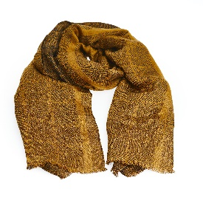 | MEN | TRUSSARDI | SCARVES | SCARF CHECK PRINT TRUSSARDI JACQUARD | 84%Vi 16%Si | Made in IT
 | MEN | TRUSSARDI | SUITS | SUIT | 100%VW | ITALY
 | MEN | TRUSSARDI | WALLETS | WALLET CREDIT CARD MONOGRAM CREPE/SMOOTH JOLIE CALF LEATHER | 100%Leather | Made in IT
 | MEN | TRUSSARDI | WALLETS | WALLET CARD HOLDER MONOGRAM CREPE/SMOOTH JOLIE CALF LEATHER | 100% LT | Made in IT
 | MEN | TRUSSARDI | WALLETS | WALLET ZIP AROUND MONOGRAM CREPE/CALF LEATHER TRESOR/PATCH | 100%Leather | Made in IT
 | MEN | TRUSSARDI | T-SHIRTS | T-SHIRT | 100%Cotton | ITALY
 | MEN | TRUSSARDI | TANK TOPS | VEST | 98%VW 2%EA/SP | ALBANIA
 | MEN | TRUSSARDI | TANK TOPS | VEST | 98%VW 2%EA/SP | ALBANIA
 | MEN | TRUSSARDI | TANK TOPS | VEST | 98%VW 2%EA/SP | ALBANIA
 | MEN | TRUSSARDI | TANK TOPS | VEST | 98%VW 2%EA/SP | ALBANIA
 | MEN | TRUSSARDI | TANK TOPS | VEST | 98%VW 2%EA/SP | ALBANIA
...
IMAGE | GENDER | BRAND | CATEGORY | DESCRIPTION | COMPOSITION | MADE
 | MEN | TRUSSARDI | JEANS | JEANS | 100%CO | ITALY
 | MEN | TRUSSARDI | JEANS | JEANS | 100%CO | ITALY
 | MEN | TRUSSARDI | JEANS | JEANS | 100%CO | ITALY
 | MEN | TRUSSARDI | JEANS | JEANS | 100%CO | ITALY
 | MEN | TRUSSARDI | JEANS | JEANS | 100%CO | ITALY
 | MEN | TRUSSARDI | JEANS | JEANS | 100%CO | ITALY
 | MEN | TRUSSARDI | JEANS | JEANS | 100%CO | ITALY
 | MEN | TRUSSARDI | OTHERS | LAPTOP CASE MONOGRAM CREPE/SMOOTH JOLIE CALF LEATHER | 100%Leather | Made in IT
 | MEN | TRUSSARDI | OTHERS | POCHETTE MONOGRAM CREPE/SMOOTH JOLIE CALF LEATHER | 100 PL | Made in IT
 | MEN | TRUSSARDI | OTHERS | FASHION BADGE HOLDER CALF LEATHER RIVIERA DI CURTIBA | 100%Leather | Made in IT
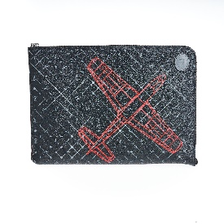 | MEN | TRUSSARDI | OTHERS | LAPTOP CASE CALF LEATHER | 100%Leather | ITALY
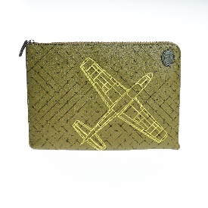 | MEN | TRUSSARDI | OTHERS | LAPTOP CASE CALF LEATHER | 100%Leather | ITALY
 | MEN | TRUSSARDI | OTHERS | HANDKERCHIEF | 100%SI | ITALY
 | MEN | TRUSSARDI | KEYRINGS | KEYCHAIN | 100%CALF LEATHER | ITALY
 | MEN | TRUSSARDI | KEYRINGS | KEYCHAIN | 100%CALF LEATHER | ITALY
 | MEN | TRUSSARDI | BAGS | BRIEFCASE DOUBLE ZIPPER MONOGRAM CREPE/SMOOTH JOLIE CALF LEATHER | 100%Leather | Made in IT
 | MEN | TRUSSARDI | BAGS | SHOPPING MONOGRAM CREPE/SMOOTH JOLIE CALF LEATHER | 100% LT | Made in IT
 | MEN | TRUSSARDI | BAGS | BACKPACK CREPE LEATHER/TRESOR CALF LEATHER | 100%Leather | Made in IT
 | MEN | TRUSSARDI | SHORTS | SHORTS | 93%CO 7%EA/SP | ITALY
 | MEN | TRUSSARDI | SHORTS | SHORTS | 93%CO 7%EA/SP | ITALY
 | MEN | TRUSSARDI | SHORTS | SHORTS | 93%CO 7%EA/SP | ITALY
 | MEN | TRUSSARDI | SHORTS | SHORTS | 93%CO 7%EA/SP | ITALY
 | MEN | TRUSSARDI | SHORTS | SHORTS | 93%CO 7%EA/SP | ITALY
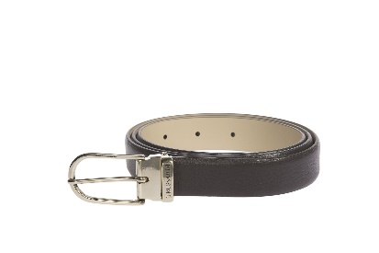 | WOMEN | TRUSSARDI | BELTS | BELT | 100%LT | IT
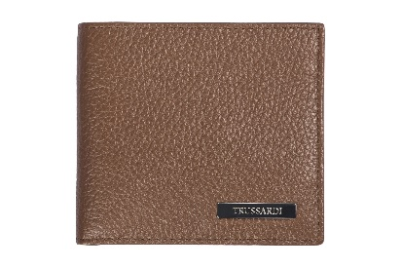 | WOMEN | TRUSSARDI | WALLETS | WALLET | 100%LT | IT
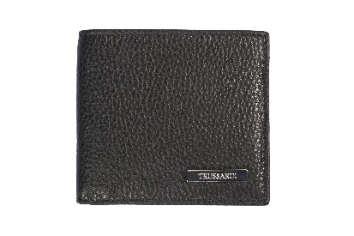 | WOMEN | TRUSSARDI | WALLETS | WALLET | 100%LT | IT
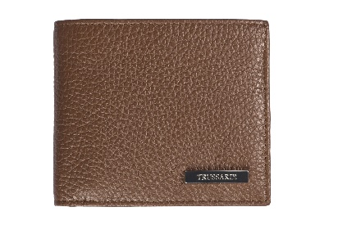 | WOMEN | TRUSSARDI | WALLETS | WALLET | 100%LT | IT
 | WOMEN | TRUSSARDI JEANS | PANTS | TROUSERS | 100%Cotton | TURKEY
 | WOMEN | TRUSSARDI JEANS | PANTS | TROUSERS | 100%Cotton | TURKEY
 | WOMEN | TRUSSARDI JEANS | PANTS | PANTS | NG | ALBANIA
 | WOMEN | TRUSSARDI JEANS | PANTS | PANTS | NG | ALBANIA
 | WOMEN | TRUSSARDI JEANS | PANTS | PANTS | NG | ALBANIA
 | WOMEN | TRUSSARDI JEANS | PANTS | PANTS | NG | ALBANIA
 | WOMEN | TRUSSARDI JEANS | PANTS | TROUSERS | 67%CO 29%PA/NY 4%EA/SP | ITALY
 | WOMEN | TRUSSARDI JEANS | PANTS | TROUSERS | 67%CO 29%PA/NY 4%EA/SP | ITALY
 | WOMEN | TRUSSARDI JEANS | PANTS | TROUSERS | 67%CO 29%PA/NY 4%EA/SP | ITALY
 | WOMEN | TRUSSARDI JEANS | PANTS | TROUSERS | 67%CO 29%PA/NY 4%EA/SP | ITALY
...

